Risk Assessment Matrix
ตารางการประเมินความเสี่ยง ( Risk Assessment Matrix (RAM) )

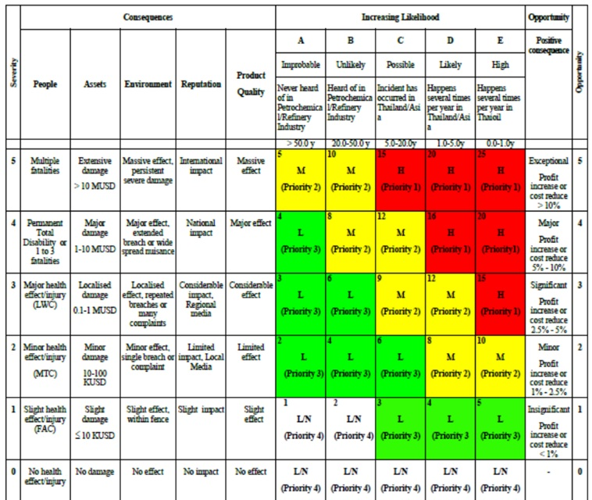

Risk Assessment Matrix : 5X5

